Activity Statement
Activity Statement
Dock & Bay Pty Ltd
For the period ending 30 June 2026

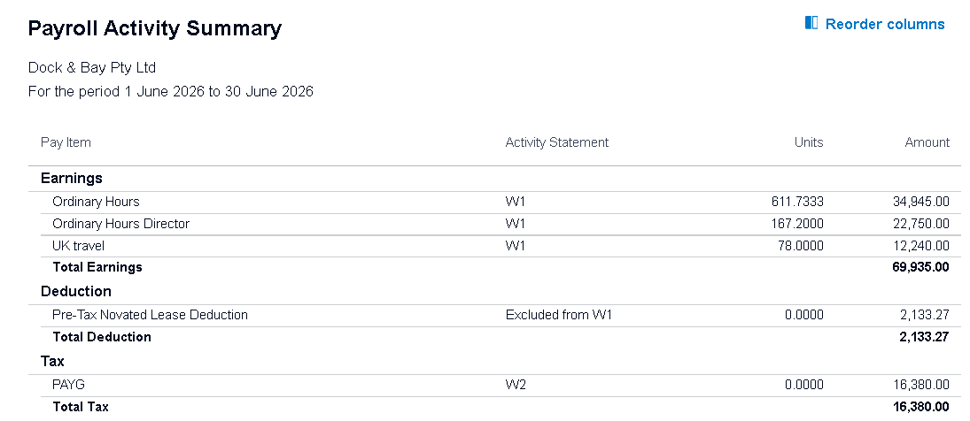
ABN |  | 13608596229
GST Accounting Method |  | Cash Basis | D- GST | Total

Goods and Services Tax (Jun)
Total sales | G1 | 333,017 |  | 333,017
Does the amount shown at G1 include GST |  | Yes

PAYG Tax Withheld (Jun)
Total salary, wages and other payments | W1 | 67,801 |  | 67,801 | <matched>
Amount withheld from payments shown at W1 | W2 | 16,380 |  | 16,380 | <matched>
Amount withheld where no ABN is quoted | W4
Other amounts withheld (excluding any amount shown in W2 or W4) | W3
Total amounts withheld (W2 + W4 + W3) | W5 | 16,380 |  | 16,380

Fringe Benefits Tax (FBT) Instalment (Apr - Jun)
Amount (copy from BAS) | F1 |  |  |  |  | 67,801
If varying this amount, complete F2, F3 and F4
Estimated FBT for the year | F2
Varied amount for the quarter | F3
Reason code for variation | F4

Amounts you owe the Tax Office
GST on sales | 1A | 14,514 |  | 14,514
PAYG tax withheld | 4 | 16,380 |  | 16,380
FBT instalment | 6A
Deferred GST | 7A |  | 6,401 | 6,401
Total owed to the ATO | 8A | 30,894 | 6,401 | 37,295

Amounts the Tax Office owes you
GST on purchases | 1B | 5,285 | 6,401 | 11,686
Credit from FBT instalment | 6B
Total owed by the ATO | 8B | 5,285 | 6,401 | 11,686

Payment or Refund
Is 8A more than 8B? |  | Yes
Your payment | 9 | 25,609 |  | 25,609

